Sheet1
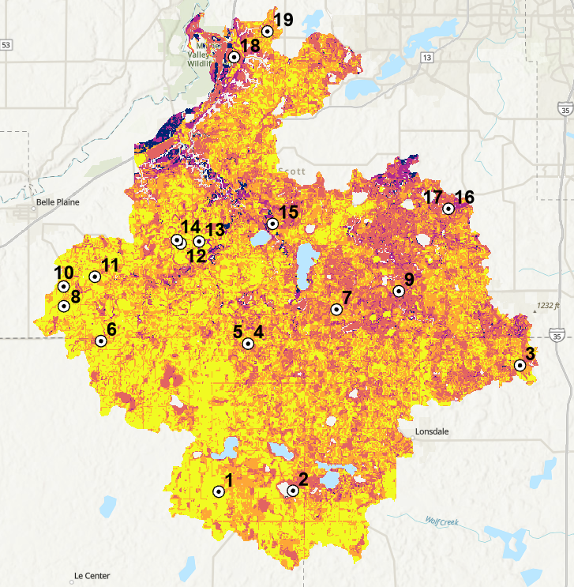
Location of Test Points
OBJECTID * | Shape * | gridcode | hydgrpdcd | CN_Manual | CN_Webapp | Difference
1 | Point | 82 | D | 89 | 89 | 0
2 | Point | 95 | B/D | 78 | 78 | 0
3 | Point | 82 | B/D | 89 | 89 | 0
4 | Point | 22 | C/D | 86 | 86 | 0
5 | Point | 22 | C/D | 86 | 86 | 0
6 | Point | 95 | C/D | 78 | 78 | 0
7 | Point | 82 | C | 85 | 85 | 0
8 | Point | 82 | C/D | 89 | 89 | 0
9 | Point | 22 | A/D | 86 | 86 | 0
10 | Point | 95 | A/D | 78 | 78 | 0
11 | Point | 41 | B/D | 83 | 83 | 0
12 | Point | 82 | B | 78 | 78 | 0
13 | Point | 82 | B/D | 89 | 89 | 0
14 | Point | 82 | A/D | 89 | 89 | 0
15 | Point | 95 | C/D | 78 | 78 | 0
16 | Point | 95 | C/D | 78 | 78 | 0
17 | Point | 95 | A/D | 78 | 78 | 0
18 | Point | 23 | B/D | 87 | 87 | 0
19 | Point | 82 | C | 85 | 85 | 0

 |  |  | Soil Hydrogroup
 | LUValue | Class | A | B | C | D
 | 11 | Open Water | 98 | 98 | 98 | 98
 | 21 | Developed, Open Space | 49 | 69 | 79 | 84
 | 22 | Developed, Low Intensity | 57 | 72 | 81 | 86
 | 23 | Developed, Medium Intensity | 61 | 75 | 83 | 87
 | 24 | Developed High Intensity | 81 | 88 | 91 | 93
 | 31 | Barren Land (Rock/Sand/Clay) | 78 | 86 | 91 | 93
 | 41 | Deciduous Forest | 45 | 66 | 77 | 83
 | 42 | Evergreen Forest | 25 | 55 | 70 | 77
 | 43 | Mixed Forest | 36 | 60 | 73 | 79
 | 52 | Shrub/Scrub | 55 | 72 | 81 | 86
 | 71 | Grassland/Herbaceous | 50 | 69 | 79 | 84
 | 81 | Pasture/Hay | 49 | 69 | 79 | 84
 | 82 | Cultivated Crops | 67 | 78 | 85 | 89
 | 90 | Woody Wetlands | 30 | 58 | 71 | 78
 | 95 | Emergent Herbaceous Wetlands | 30 | 58 | 71 | 78

